Terms & Conditions
Applications must be submitted directly by the applicant company. Third parties application through consultants or vendors will not be accepted. MOM, WSG and NTUC’s e2i do not endorse any consultants or vendors and their services or products. By submitting this, the applicant acknowledges and agrees to abide by the terms & conditions stated below. Failure to do so voids the application.
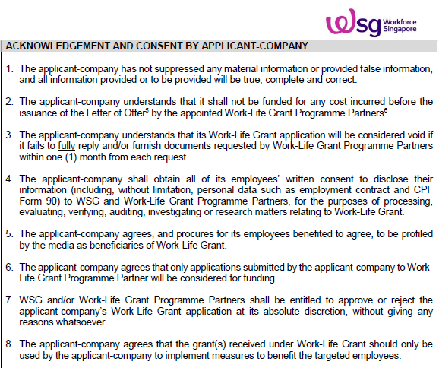
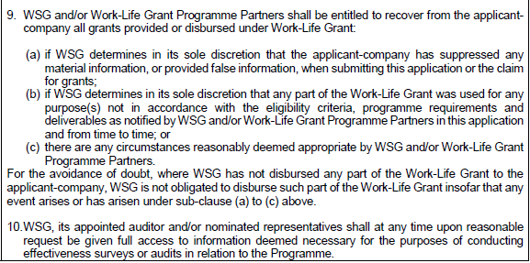
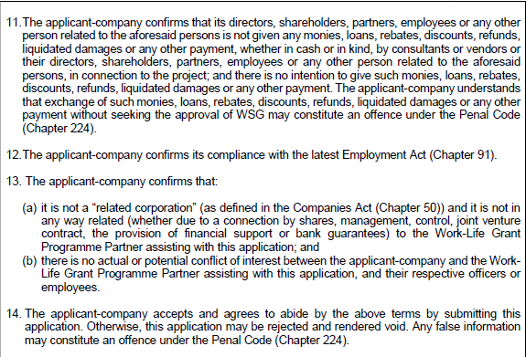

ACKNOWLEDGEMENT AND CONSENT BY APPLICANT-COMPANY
APPLICANT-COMPANY’S SIGNATURE*

Name
Email
Contact No.
*Note: Only ACRA-listed personnel, including the company’s owners, shareholders, directors and managers, duly authorized by the applicant-company to sign for and on its behalf, may sign this declaration.

CONFIRMATION BY WORK-LIFE GRANT PROGRAMME PARTNER
Name
Date
Designation:

